IT Risk Assessment Matrix
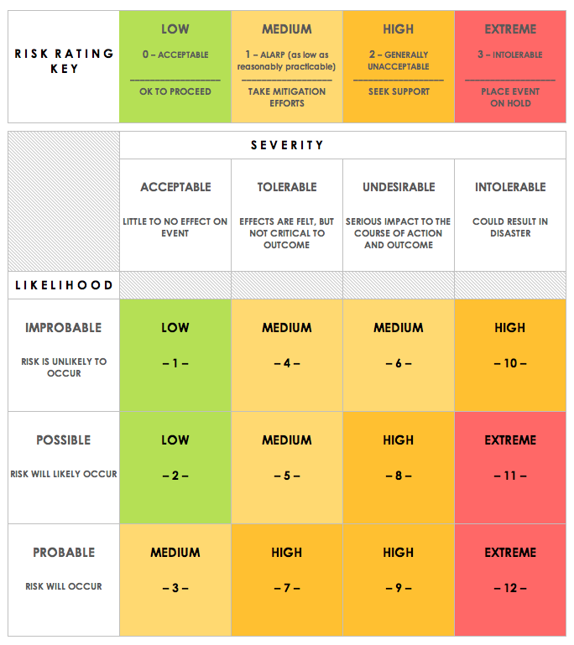
IT RISK ASSESSMENT MATRIX TEMPLATE
REF/ID | RISK TYPE | ASSET | RISK DESCRIPTION | RISK SEVERITY | RISK LIKELIHOOD | INTERNAL IMPACT | USER IMPACT | TRIGGER | MITIGATIONS / WARNINGS / REMEDIES | ASSET | RISK SEVERITY KEY | RISK LIKELIHOOD KEY | RISK LEVEL KEY
1 | Data loss | INSIDER | Loss of production data | ACCEPTABLE | IMPROBABLE | LOW | LOW |  | Work will be done an a test database, separate from production database | EXTERNAL | ACCEPTABLE | IMPROBABLE | LOW
2 |  | EXTERNAL | Pandemic stops project | INTOLERABLE | IMPROBABLE | MEDIUM | LOW |  | Use of remote working tool | TRUSTED INSIDER | UNDESIRABLE | PROBABLE | HIGH
3 |  | EXTERNAL | Project does not finish on time | UNDESIRABLE | PROBABLE | HIGH | LOW |  |  |  | INTOLERABLE |  | EXTREME
4 |  | EXTERNAL | Users do not receive emails on time | UNDESIRABLE | IMPROBABLE | LOW | HIGH |  | Test adaquetly and allocate resources properly
5 |  | INSIDER | Project gets cancelled | UNDESIRABLE | IMPROBABLE | LOW | LOW |  | Keep constant contant with key stakeholder. Produce frequent updates

CLICK HERE TO CREATE IN SMARTSHEET

